Info Guide
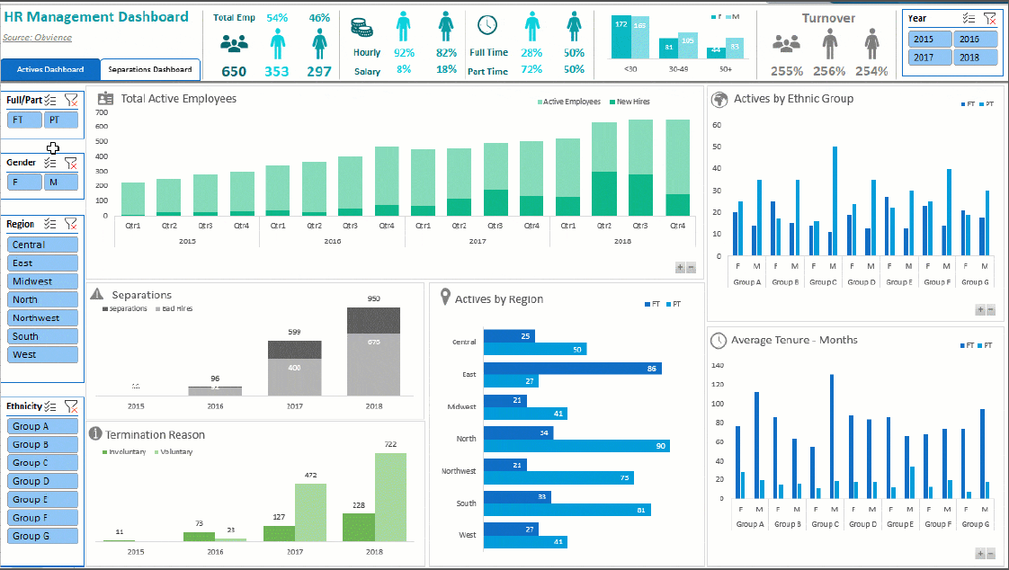
Final Assessment - Excal Analysis

Based on the Data find

1- Solve Ex 1 sheet " use all necessary functions you need"
2-Use the data in sales sheet and analyze it and convert all necessary data to chart from your own perspective
3- Create your interactive dashboard based on the data in sales sheet from your own perspective


** all answers in one book with the folowwing
Satuden name
Gov
Group

** send final answer to my email " ahismailwork@gmail.com "

Sheet1
Sales Per Class
Sales last 10 years

 | Column Labels
 | Alexandria | Canal | Delta | G. Cairo | Upper Egypt | Grand Total
Sum of Sales | 32392983 | 33961410 | 31972320 | 31705470 | 30041730 | 160073913

 | Row Labels | Sum of Sales
 | Smartphones | 121515213
 | Tablets | 38558700
 | Grand Total | 160073913 |  |  |  | Column Labels
 |  |  |  |  |  | Alex | Aswan | Cairo | Giza | Ismailia | Mansoura | Marasa Matrouh | Minia | Portsaied | Zagazig | Grand Total
 |  |  |  |  | Sum of Sales | 15606990 | 15088500 | 15751710 | 15953760 | 16228530 | 15999210 | 16785993 | 14953230 | 17732880 | 15973110 | 160073913
Row Labels | Sum of Sales
Sales per G.segmant
41902 | 184590
41903 | 94500
41904 | 130410
41905 | 107460
41906 | 309060 |  |  | Sum of Quantity | Column Labels
41907 | 298080 |  |  | Row Labels | Smartphones | Tablets | Grand Total
41908 | 88380 |  |  | Alex | 3668 | 890 | 4558
41909 | 252000 |  |  | Aswan | 3187 | 693 | 3880
41910 | 83340 |  |  | Cairo | 3458 | 734 | 4192
41911 | 207450 |  |  | Giza | 3620 | 713 | 4333
41912 | 92070 |  |  | Ismailia | 3735 | 583 | 4318
Grand Total | 1847340 |  |  | Mansoura | 3482 | 909 | 4391
 |  |  |  | Marasa Matrouh | 3760 | 640 | 4400
 |  |  |  | Minia | 3832 | 682 | 4514
 |  |  |  | Portsaied | 3673 | 987 | 4660
 |  |  |  | Zagazig | 3472 | 890 | 4362
 |  |  |  | Grand Total | 35887 | 7721 | 43608

Quantity per branch

final_Design
Sales per branch
 | Alex | Aswan | Cairo | Giza | Ismailia | Mansoura | Marasa Matrouh | Minia | Portsaied | Zagazig
Total | 15606990 | 15088500 | 15751710 | 15953760 | 16228530 | 15999210 | 16785993 | 14953230 | 17732880 | 15973110
Sales last 10 years
 | Total
41902 | 184590
41903 | 94500
41904 | 130410
41905 | 107460
41906 | 309060
41907 | 298080
41908 | 88380
41909 | 252000
41910 | 83340
41911 | 207450
41912 | 92070
Row Labels | Sum of total NP
HTC One - (32GB) - 4G | 520128
HTC ONE (32GB) Dual Sim - 3G | 493974
iPhone 5C (16GB) | 494910
iPhone 5C (32GB) | 566496
iPhone 5S (16GB) | 602496
iPhone 5S (32GB) | 821484
iPhone 5S (64GB) | 835380
Microsoft Surface Pro 2 | 1322244
Nokia Lumia - 4G | 332355
Quantity per branch
 | Smartphones | Tablets
Alex | 3668 | 890
Aswan | 3187 | 693
Cairo | 3458 | 734
Giza | 3620 | 713
Ismailia | 3735 | 583
Mansoura | 3482 | 909
Marasa Matrouh | 3760 | 640
Minia | 3832 | 682
Portsaied | 3673 | 987
Zagazig | 3472 | 890
Sales Per Class
 | Total
Smartphones | 121515213
Tablets | 38558700
Sales per G.segmant
 | Alexandria | Canal | Delta | G. Cairo | Upper Egypt
Total | 32392983 | 33961410 | 31972320 | 31705470 | 30041730
Samsung Galaxy Note 10.1 | 788544
Samsung Galaxy Note3 (32GB) - 3G | 604188
Samsung Galaxy Note3 (32GB) - 4G | 607320
Samsung Galaxy S3 (16GB) - 3G | 290304
Samsung Galaxy S4 (16GB) - 3G | 468468
Samsung Galaxy S4 (16GB) - 4G | 481734
Samsung Galaxy S4 Zoom - 3G | 298944
Sony Xperia Z | 718488
Grand Total | 10247457

